Map
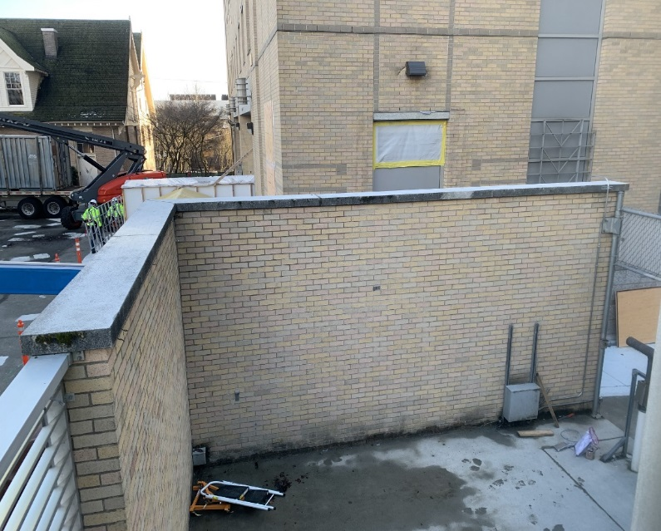
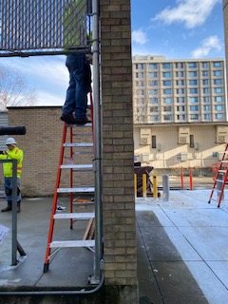

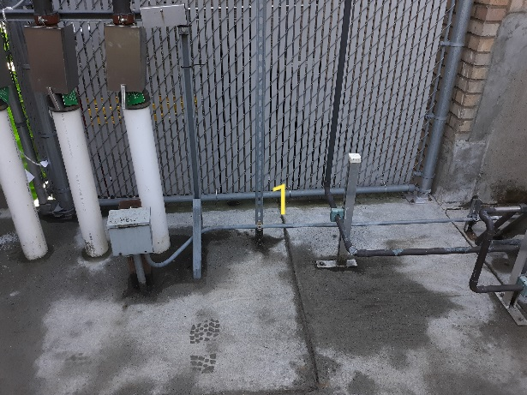
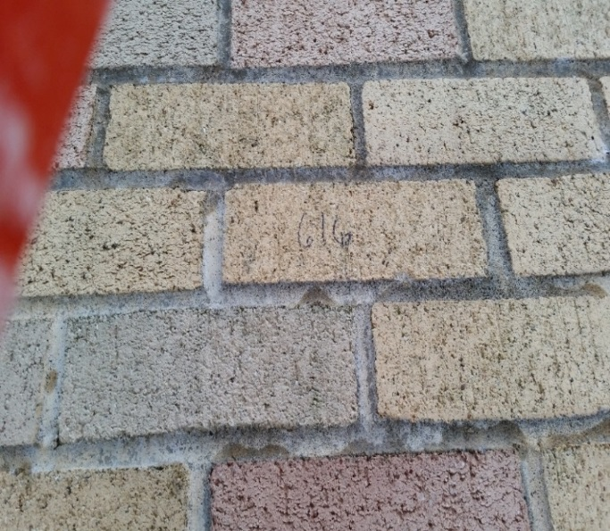

Survey No | INIS-012320-1045
Date | 2020-01-22
Survey Tech | L. Cuneo
Count Room Tech | P. Ray
Date Counted | 2020-01-23
Survey Type | Characterization
Level of Posting | none
Comments

Map (2)
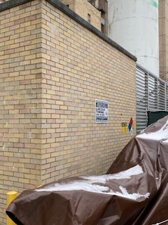
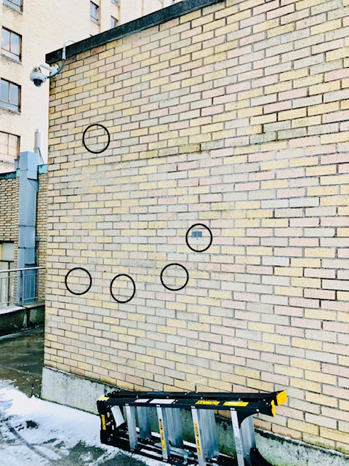

Survey No | INIS-012320-1045
Date | 2020-01-22
Survey Tech | L. Cuneo
Count Room Tech | P. Ray
Date Counted | 2020-01-23
Survey Type | Characterization
Level of Posting | none
Comments

